Ada Boosting Classifier
ADAPTIVE BOOSTING CLASSIFIER

WHAT IS ADAPTIVE BOOSTING CLASSIFIER --> An AdaBoost classifier is a meta-estimator that begins by fitting a classifier on the original dataset and then fits additional copies of the classifier on the same dataset but where the weights of incorrectly classified instances are adjusted such that subsequent classifiers focus more on difficult cases. REFERENCE-->https://scikit-learn.org/stable/modules/generated/sklearn.ensemble.AdaBoostClassifier.html

HYPER PARAMETERS

Basically by default base_estimator = Decision tree model , So that's why rest of the hyper parameter applicable in Adaboosting is same as in Decision Tree 's Hyper parameter like --min_samples_leaf,max_depth,max_features.

1. base_estimator : object, default=None The base estimator from which the boosted ensemble is built. Support for sample weighting is required, as well as proper classes_ and n_classes_ attributes. If None, then the base estimator is DecisionTreeClassifier initialized with max_depth=1. Basically in Other word base_estimator is the base learner used in AdaBoost algorithms. The default and most common learner is a decision tree stump (a decision tree with max_depth=1) There it Can have any ML Algorithm Model Be it SVM , Logistic Regression Model OR KNN Model or Random Forest But Adaptive Boosting Is Most apt against Decision Tree With Max _depth = 1 (Basically it means Stump).

2.n_estimators : int, default=50 The maximum number of estimators at which boosting is terminated. In case of perfect fit, the learning procedure is stopped early. Values must be in the range [1, inf). In Other Words The maximum number of estimators (models) to train sequentially. The default is 50.

3.learning_rate : float, default=1.0 Weight applied to each classifier at each boosting iteration. A higher learning rate increases the contribution of each classifier. There is a trade-off between the learning_rate and n_estimators parameters. Values must be in the range (0.0, inf). (Basically in Other Word Learning_rate is the contribution of each model to the weights and defaults to 1 . Reducing the learning rate will mean the weights will be increased or decreased to a small degree, forcing the model train slower (but sometimes resulting in better performance scores). In Other Words , Scaling the tree by the Learning Rate results in a small step in the Right Direction. REFERENCE --> You can see that in Stat quest (Gradient Boosting Regression)

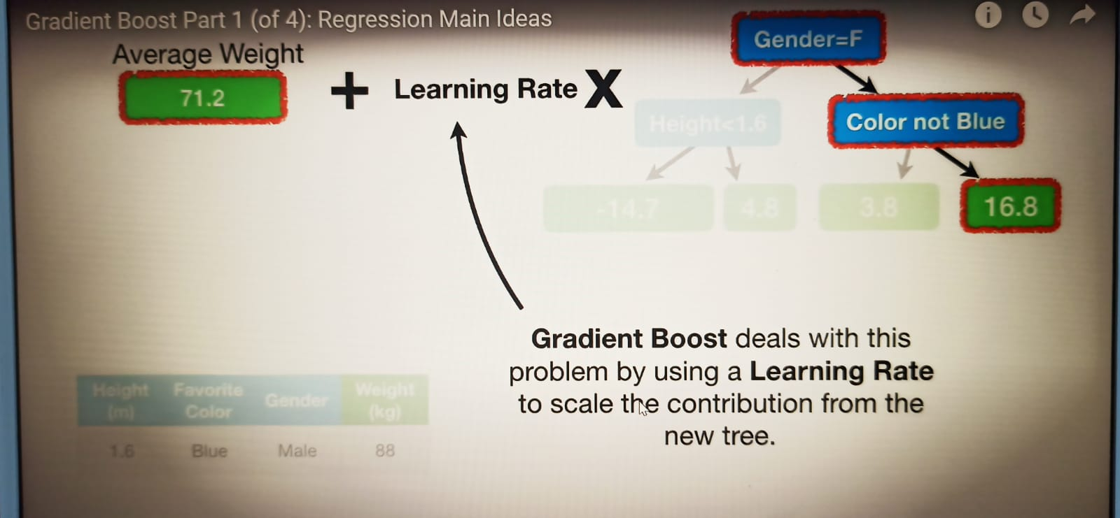

4. algorithm : {‘SAMME’, ‘SAMME.R’}, default=’SAMME.R’ If ‘SAMME.R’ then use the SAMME.R real boosting algorithm. base_estimator must support calculation of class probabilities. If ‘SAMME’ then use the SAMME discrete boosting algorithm. The SAMME.R algorithm typically converges faster than SAMME, achieving a lower test error with fewer boosting iterations. Here is the main difference between SAMME and SAMME.R, while SAMME is a discrete-valued algorithm, meaning that it outputs either 0 or 1, SAMME.R uses class probabilities. Meaning that it outputs the probability of a sample belonging to a class. --->Here is The Link -->https://medium.datadriveninvestor.com/understanding-adaboost-and-scikit-learns-algorithm-c8d8af5ace10

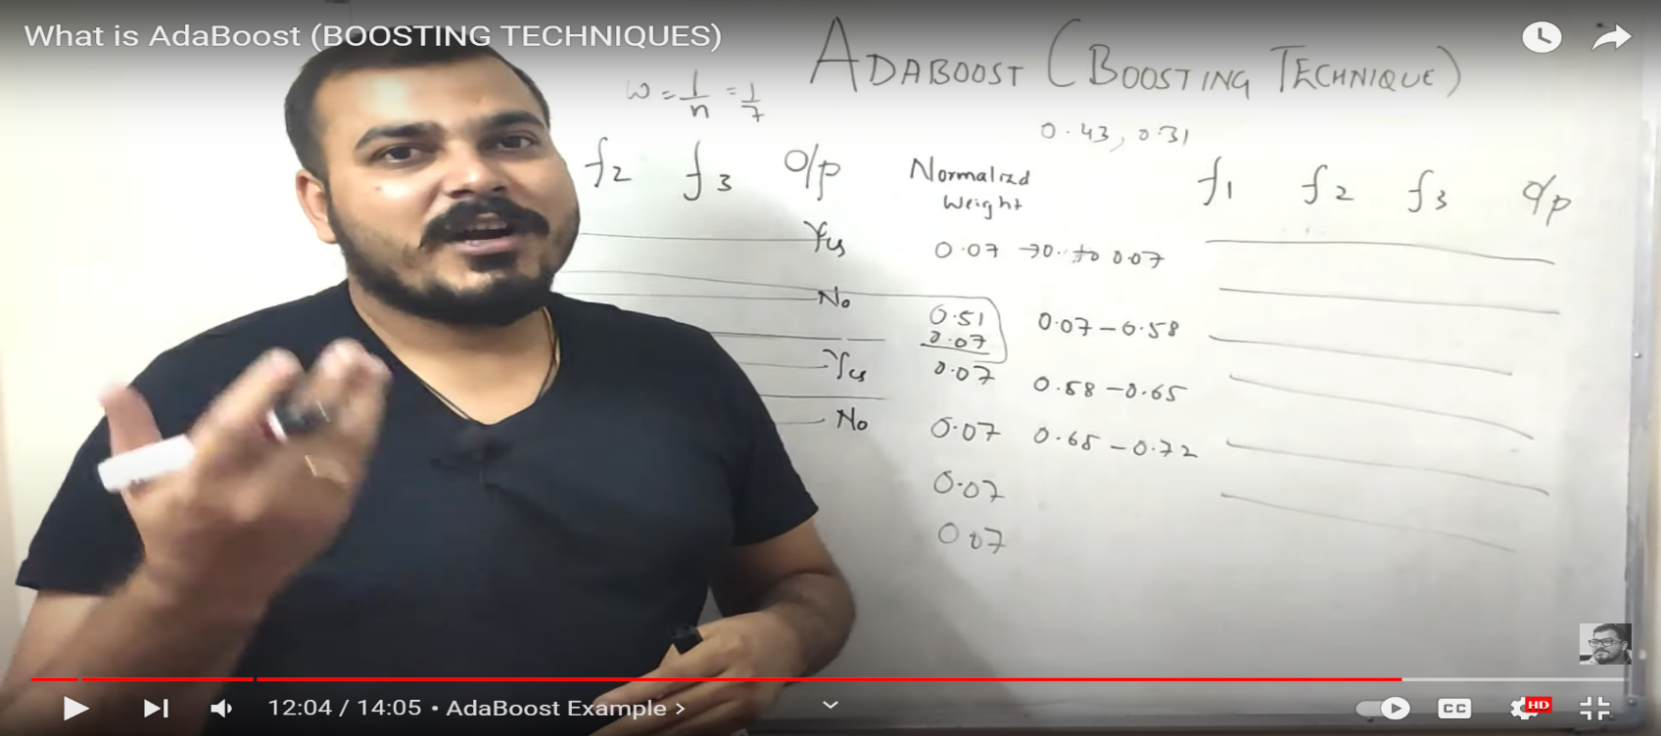 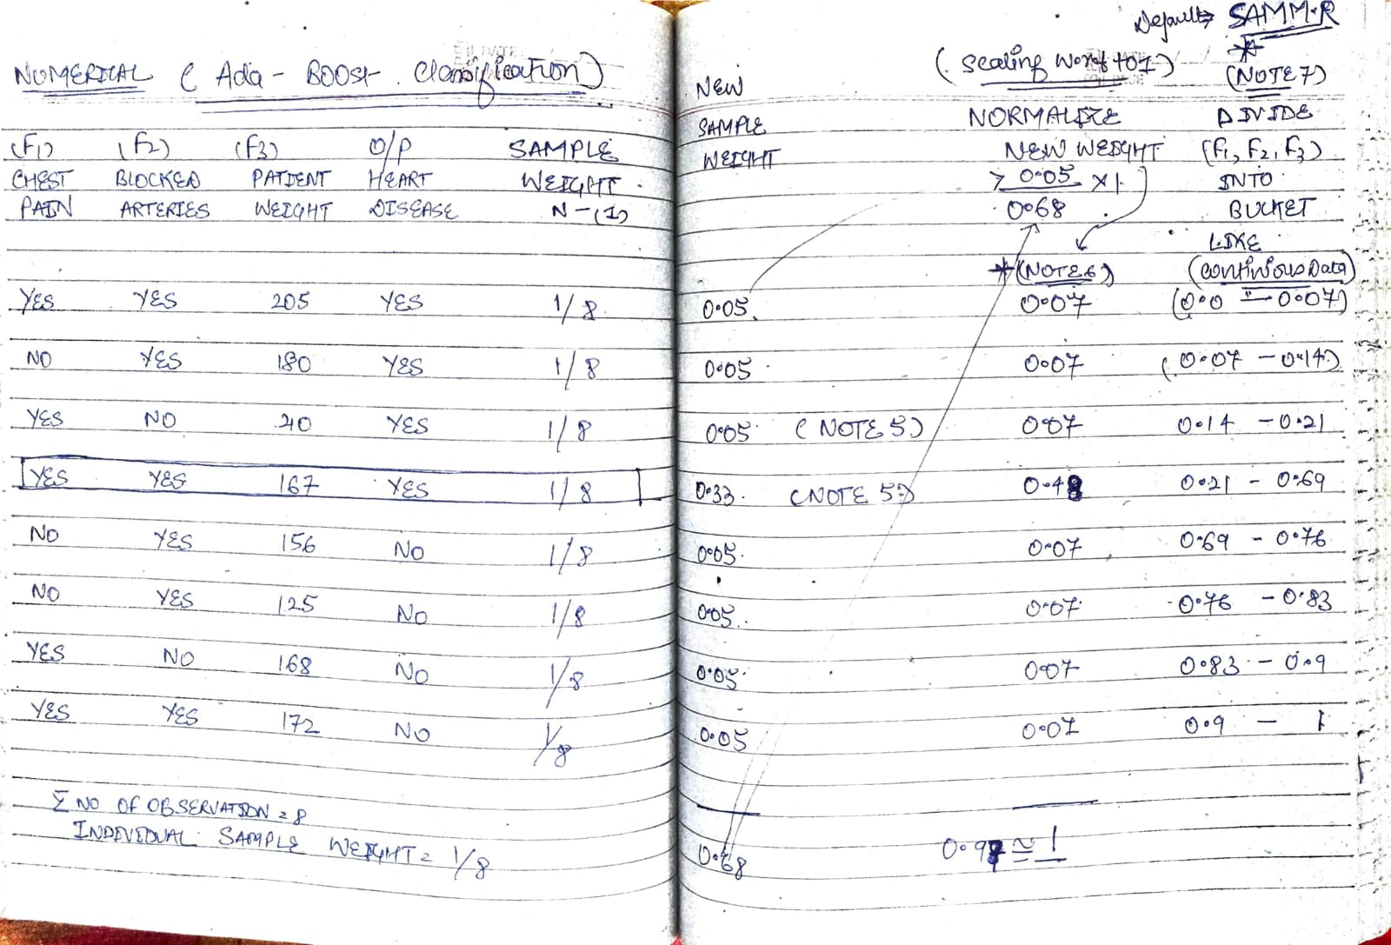 Basically in other word the SAMME.R algorithm gives all the models an equal weight of one. How does this work? Here is the main difference between SAMME and SAMME.R, while SAMME is a discrete-valued algorithm, meaning that it outputs either 0 or 1, SAMME.R uses class probabilities. Meaning that it outputs the probability of a sample belonging to a class We have seen in KRISHNA NAIK ADA BOOST Like (Continuous Feature Bucket) is Created Out of Which Wherever new proability sample will fall depend upon it's weight in which category they are gonna fall in & it kept on happening from one model to another.

5.random_state : int, RandomState instance or None, default=None Controls the random seed given at each base_estimator at each boosting iteration. Thus, it is only used when base_estimator exposes a random_state. Pass an int for reproducible output across multiple function calls.With random_state=None , we get different train and test sets across different executions and the shuffling process is out of control. With random_state=0 , we get the same train and test sets across different executions. Basically in Other word Like TRAIN-TEST-SPLIT Chances are after runing same code again having random_state = NONE will yield Different X_train , y_train & X_test & y_test to avoid this problem we signify with random_state like =101 & then it will yield same result despite running the same code again & again.

Ada Boost Regressor
ADAPTIVE BOOST REGRESSOR

WHAT IS AN REGRESSOR?--> A regressor is a statistical term. It refers to any variable in a regression model that is used to predict a response variable. A regressor is also known as: An independent variable. An explanatory variable. Basically SVM , KNN ,Random Forest , Polynomial Regression This are REGRESSOR Because in thier Own Different way they are trying to predict Output (Dependent variable) & Performance Evaluation takes place based on Prediction of Depenedent Variable (Output) .

WHAT IS AN ADAPTIVE BOOST REGRESSOR ? -->An AdaBoost regressor. An AdaBoost regressor is a meta-estimator that begins by fitting a regressor on the original dataset and then fits additional copies of the regressor on the same dataset but where the weights of instances are adjusted according to the error of the current prediction. REFERENCE-->https://scikit-learn.org/stable/modules/generated/sklearn.ensemble.AdaBoostRegressor.html

HYPER PARAMETER

1. base_estimator : object, default=None The base estimator from which the boosted ensemble is built. Support for sample weighting is required, as well as proper classes_ and n_classes_ attributes. If None, then the base estimator is DecisionTreeClassifier initialized with max_depth=1. Basically in Other word base_estimator is the base learner used in AdaBoost algorithms. The default and most common learner is a decision tree stump (a decision tree with max_depth=1) There it Can have any ML Algorithm Model Be it SVM , Logistic Regression Model OR KNN Model or Random Forest But Adaptive Boosting Is Most apt against Decision Tree With Max _depth = 1 (Basically it means Stump).

2.n_estimators : int, default=50 The maximum number of estimators at which boosting is terminated. In case of perfect fit, the learning procedure is stopped early. Values must be in the range [1, inf). In Other Words The maximum number of estimators (models) to train sequentially. The default is 50.

3.learning_rate : float, default=1.0 Weight applied to each classifier at each boosting iteration. A higher learning rate increases the contribution of each classifier. There is a trade-off between the learning_rate and n_estimators parameters. Values must be in the range (0.0, inf). (Basically in Other Word Learning_rate is the contribution of each model to the weights and defaults to 1 . Reducing the learning rate will mean the weights will be increased or decreased to a small degree, forcing the model train slower (but sometimes resulting in better performance scores). In Other Words , Scaling the tree by the Learning Rate results in a small step in the Right Direction. REFERENCE --> You can see that in Stat quest (Gradient Boosting Regression) .

4.loss{‘linear’, ‘square’, ‘exponential’}, default=’linear’ The loss function to use when updating the weights after each boosting iteration. As we had learn Squared , Linear Loss function in Previous Udemy Classes . For Further Information pl see this REFERENCE --> https://www.youtube.com/watch?v=QBbC3Cjsnjg

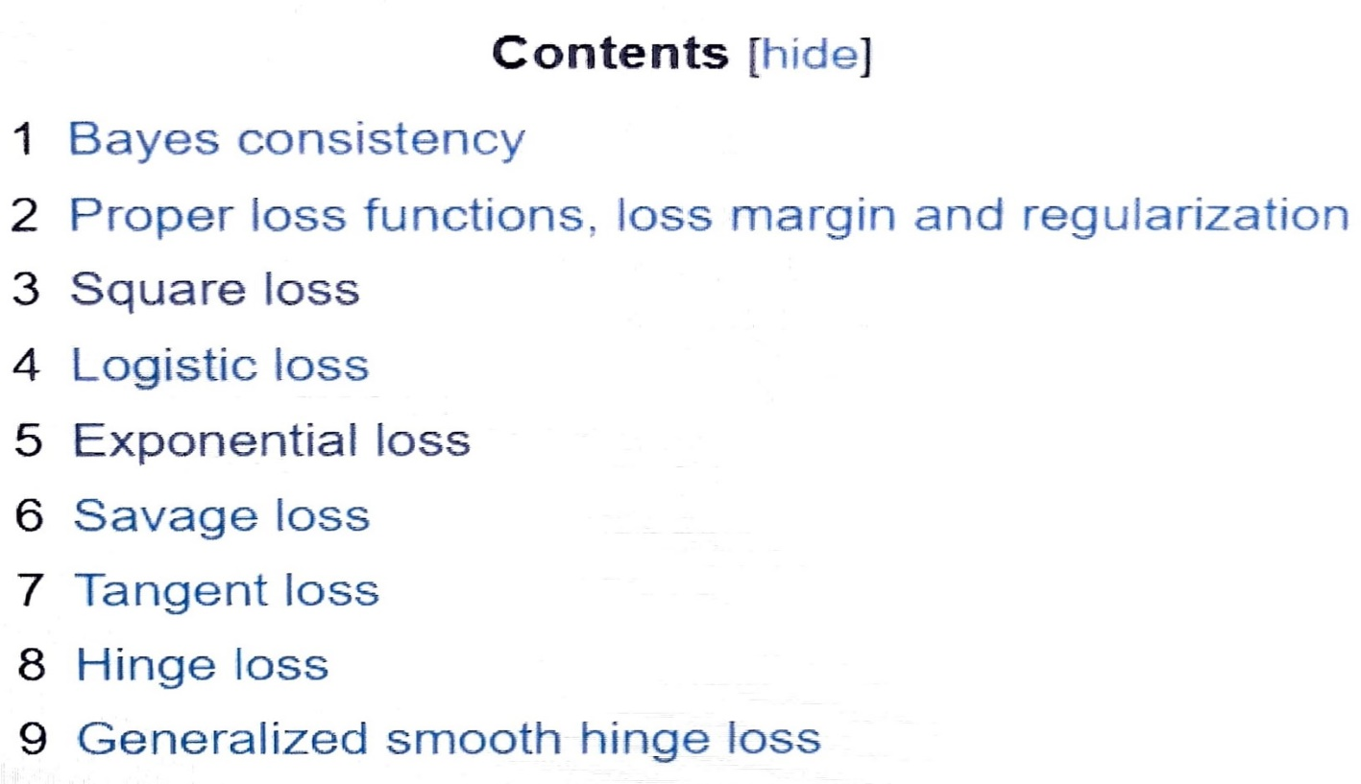 ***FURTHER LOSS FUNCTION WILL BE LEARNED IN DEEP LEARNING SO OTHER LOSS FUNCTION PL SEE DEEP LEARNING.***

Diff Ada & Gradient Boosting
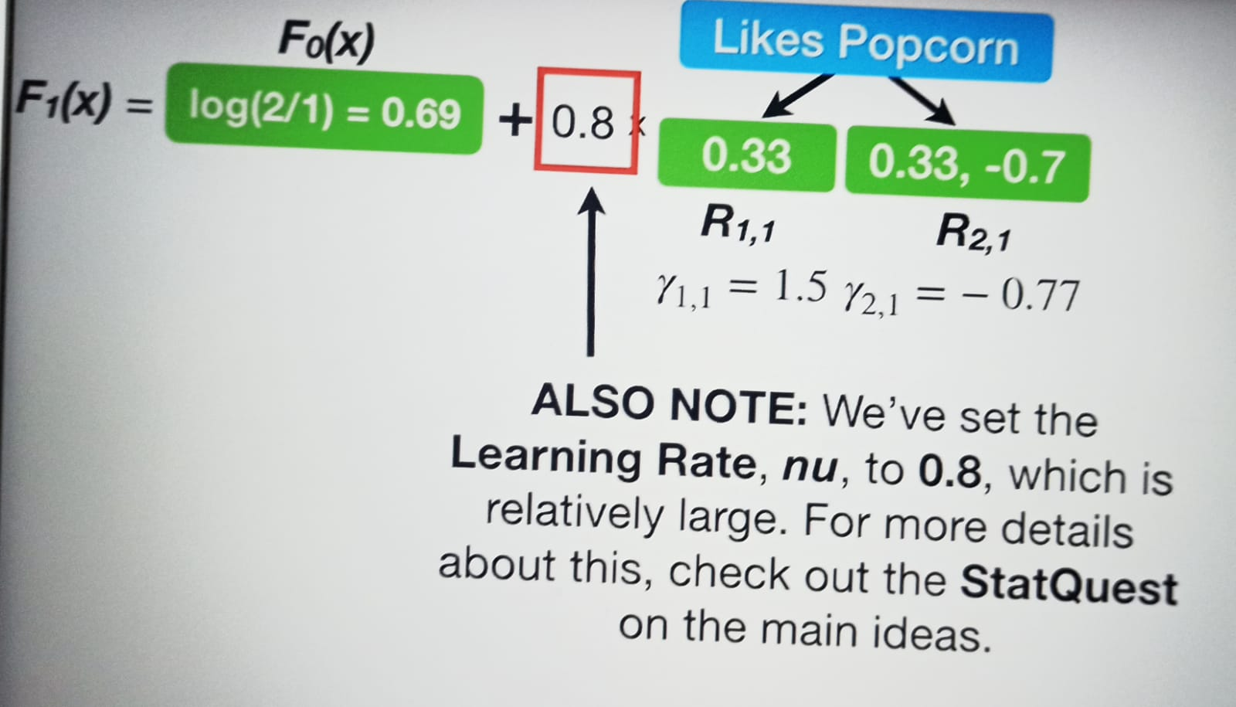
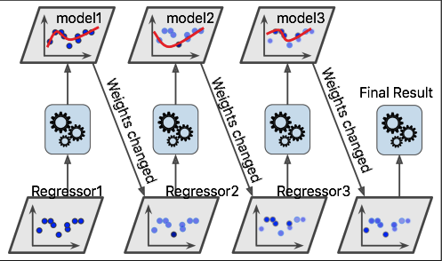
Difference between Gradient Boosting and Adaptive Boosting(AdaBoost)

Gradient Boosting | Ada Boosting

This approach trains learners based upon minimising the loss function of a learner (i.e., training on the residuals of the model) . | This method focuses on training upon misclassified observations. Alters the distribution of the training dataset to increase weights on sample observations that are difficult to classify.

Weak learners are decision trees constructed in a greedy manner with split points based on purity scores (i.e., Gini Impurity OR Entropy). Thus, larger trees can be used with around 4 to 8 levels. Learners should still remain weak and so they should be constrained (i.e., the maximum number of layers, nodes, splits, leaf nodes) | The weak learners incase of adaptive boosting are a very basic form of decision tree known as stumps.

All the learners have equal weights in the case of gradient boosting. The weight is usually set as the learning rate which is small in magnitude. | The final prediction is based on a majority vote of the weak learners’ predictions weighted by their individual accuracy.

